Y2 360 CF
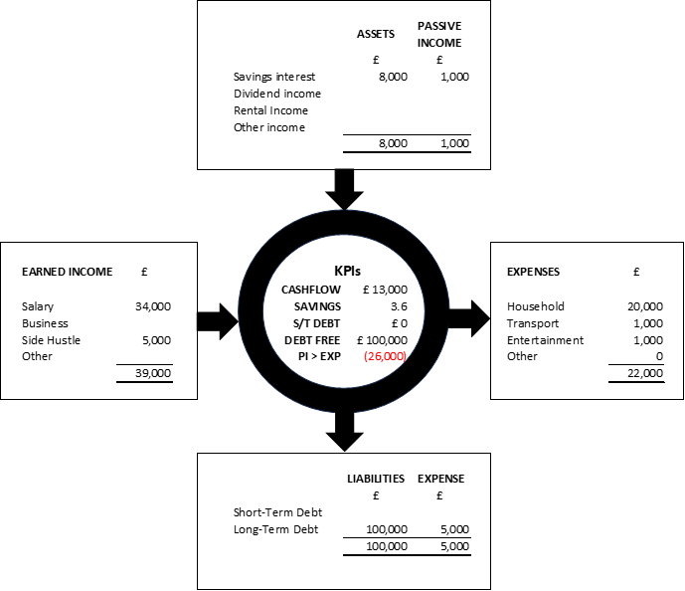
Year 2: Financial Stability
ratrace2riches.com
© Akwal S. Johal, 2024

